SourceData New
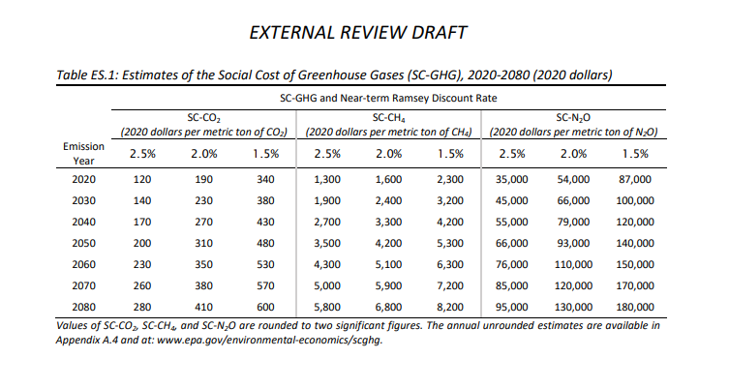
Social cost of carbon
 | 2%
 | 2020 dollars per metric ton of CO2

2020 | 190
2030 | 230
2040 | 270
2050 | 310

 | annualized value (2020$/mt) | 2012$/mt | 2012$/g
2020 | 190 | $168.6 | 1.69E-04
2021 | 194 | $172.1 | 1.72E-04
2022 | 198 | $175.6 | 1.76E-04
2023 | 202 | $179.2 | 1.79E-04
2024 | 206 | $182.7 | 1.83E-04
2025 | 210 | $186.3 | 1.86E-04
2026 | 214 | $189.8 | 1.90E-04
2027 | 218 | $193.4 | 1.93E-04
2028 | 222 | $196.9 | 1.97E-04
2029 | 226 | $200.5 | 2.00E-04
2030 | 230 | $204.0 | 2.04E-04
2031 | 234 | $207.6 | 2.08E-04
2032 | 238 | $211.1 | 2.11E-04
2033 | 242 | $214.7 | 2.15E-04
2034 | 246 | $218.2 | 2.18E-04
2035 | 250 | $221.8 | 2.22E-04
2036 | 254 | $225.3 | 2.25E-04
2037 | 258 | $228.9 | 2.29E-04
2038 | 262 | $232.4 | 2.32E-04
2039 | 266 | $236.0 | 2.36E-04
2040 | 270 | $239.5 | 2.40E-04
2041 | 274 | $243.1 | 2.43E-04
2042 | 278 | $246.6 | 2.47E-04
2043 | 282 | $250.2 | 2.50E-04
2044 | 286 | $253.7 | 2.54E-04
2045 | 290 | $257.3 | 2.57E-04
2046 | 294 | $260.8 | 2.61E-04
2047 | 298 | $264.4 | 2.64E-04
2048 | 302 | $267.9 | 2.68E-04
2049 | 306 | $271.5 | 2.71E-04
2050 | 310 | $275.0 | 2.75E-04

